Sheet1
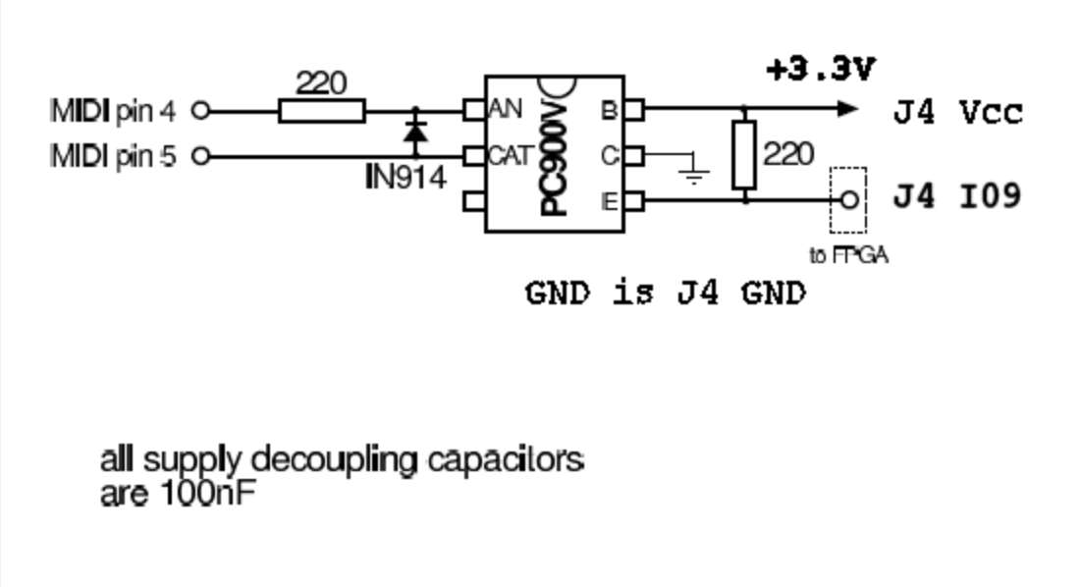
Part
ESP32-WROOM | http://d.digikey.com/NX03kSX7000AHTKqZp30a0N |  | https://www.espressif.com/sites/default/files/documentation/esp32-wroom-32_datasheet_en.pdf
MAX98357A | http://d.digikey.com/CXH3000lN0TS0p7a0XqAK03 |  | https://datasheets.maximintegrated.com/en/ds/MAX98357A-MAX98357B.pdf

ESP32 | MAX98357A | What
25 | 14 | LRC
26 | 16 | BCLK
27 | 1 | DIN
5V | 2 | GAIN
5V | 8 | Vin
GND | 11 | GND
 | 9 | Speaker +
 | 10 | Speaker -
3.3V |  | 3.3V
EN |  | programming RTS
TX |  | programming RX
RX |  | programming TX
0 |  | programming DTR
3.3V |  | programming VCC
GND |  | programming GND
GND |  | GND

Note: MAX98357A has 2 support capacitors, see datasheet
Note: ESP32 has other support capacitors / power stuff

MIDI (not requirement) - to ESP GPIO 19 (instead of I09 on this schematic)

